Instructions
INSTRUCTIONS FOR FILLING IN THE REQUEST FORM COVID-19 EMERGENCY – HEALTH Read these instructions carefully before filling in the form
The request form is a simple Excel file consisting of four sheets: the one you are reading with the instructions, the actual request form, the budget form in local currency (to be filled in by the applicant), the budget form in euros (automatically filled in by the system). The form must be downloaded, saved and completed in all parts; it is a protected file and therefore it is possible to fill in only the cells necessary for the project (highlighted in white). To systematically advance in the cells to be compiled, avoiding omitting some by mistake, it is advisable to use the TAB key (indicated by the icon F), which automatically moves to the next cell to be filled. Of course it is always possible to move within the cells using the mouse. The cells highlighted in light green do not have to be filled in as they will be automatically filled in by the program based on the data entered in other parts of the file. The cells highlighted in light orange must be filled in by selecting one of the possible choices from the drop-down menu that opens by clicking inside the cell and then on the triangle in the lower right corner of the cell itself. To facilitate the evaluation of the questions and to induce the synthesis in their formulation, the free text boxes can accept a limited number of characters INCLUDED SPACES, indicated in the box header. The free text boxes can be filled in directly in the file or they can be filled by copying texts prepared with other writing programs (Word or similar), which also allow you to count the number of characters used so as to remain within the maximum limits set by the program. If more characters than expected are entered, an error message appears: in order to continue, the characters exceeding the maximum allowed must be deleted.

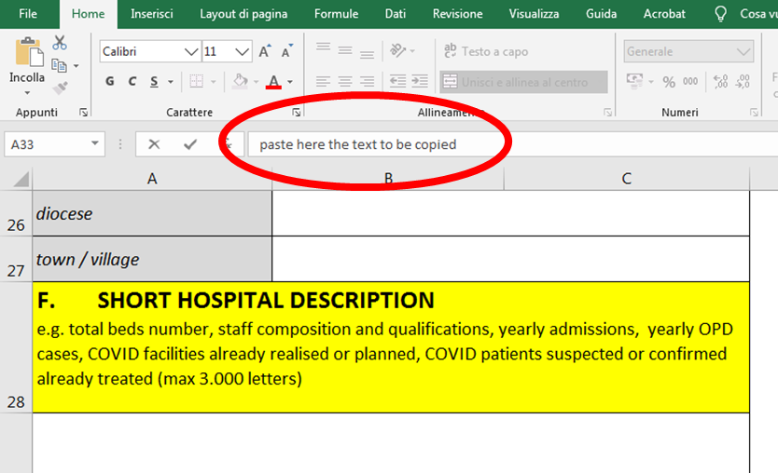

If you prefer to fill in the text boxes directly in the file, you must remember that to start a new line Excel program requires you to simultaneously click the ALT + ENTER keys (by clicking the ENTER key only, you go to the next page, forcing you to return with the mouse to the starting point). The last page of the form must be printed, signed, stamped, scanned and sent by e-mail together with this form. The completed form must be called "COUNTRYNAME-hospital name" (eg "KENYA-Tumaini hospital"; the file with the scanned signatures must be named "COUNTRYNAME-hospital name-signatures", and sent by 30 April 2020 to the address: covid.sanitario@caritas.it The original hard copy of the last page of the form must be sent together with the documents for reporting the project.

1 - REQUEST FORM A - name of the hospital (or healthcare facility of a size and level of service comparable to a hospital). Both in the case of hospitals and other healthcare facilities, we refer to realities connected to the Catholic Church. B - provide the details of the organization that submits the application. Specify the name of the proposing organization, its legal status chosen from the drop-down menu, the contact details and if available the web page address. The email indicated here will be the one used for all subsequent communications of the Service. C - provide the number and year of implementation of the most recent projects financed by SICTM or by Caritas Italiana. The data is essential to admit the applicant to the evaluation, reserved for hospitals and supporting organizations that have received funding over the past three years; for these requests, a new approval of the diocesan Ordinary is not necessary. If the hospital or supporting organization has obtained funding prior to three years, it is necessary to attach the approval of the diocesan ordinary where the project is carried out. The relative document must be scanned, named "COUNTRYNAME-hospital name-declaration" and sent together with the project files and signatures; the original must be sent with the other documents for the reporting of the project. Random checks are foreseen to verify the correctness of the indication and the matching of the data indicated in the previous application with those indicated in the following point F.

D - indicate the person in charge of this project, signatory of the request and guarantor of the correct use of the allotted funds. E - Indicate the data relating to the hospital location and number of beds: the geographical area (Africa, Asia, ...), the nation, the diocese, the city. The agreement of the number of beds indicated with what was declared in the projects referred to in point C will be verified. F - provide the requested data, which will be verified with what was previously stated in the projects referred to in point C. Choose the hospital characteristics from the drop-down menu, if necessary to be integrated with a short description (max 300 characters). G - if you request items not present in the recommended list, motivate the request (max 2000 characters). If you only request items from the recommended list, leave blank. H - do not fill in - is automatically filled in by the system I - indicate the Bank's data on which to pay the funds possibly granted. The account must be in the name of the organisation proposing the project - in no case will the account in the name of a natural person be valid. Ask your bank if it is necessary to indicate an intermediary bank for the transfer of the funds to the country involved. The bank account statement with the contributions received, expenses and transfers made for this project highlighted must be sent with the final report. The last sheet must be printed, signed and stamped, scanned and sent together with the project form in the manner detailed above. 2 - BUDGET IN LOCAL CURRENCY a) Enter the abbreviation for the local currency b) Enter the exchange rate recorded by the site

https://www.oanda.com/lang/it/currency/converter
c) Enter the exchange rate detection date Given the emergency situation, this call is exempted from the obligation to submit budgets for individual purchases of goods (pro forma invoices), also because it is entirely presumable that the prices of some goods may change in the short term following the increase request. In this module, therefore, you are invited to indicate in the "quantity" column the number of pieces of the goods requested (or alternatively other units of measurement specified in the module, such as liters or tablets), in the "unit price" an evaluation as realistic as possible of the asset requested in local currency, so as to be able to calculate a lump-sum payment as it is intended to subdivide the fund into the various types of assets envisaged (the total is automatically calculated by the system). Increasing difficulties or too expensive prices to buy locally some of the envisaged goods (e.g. FFP2 masks) are easily foreseeable, forcing to purchase them in other countries (export from Europe prohibited). For this reason, coordination between beneficiary hospitals in one or more countries (the list of which will be published on the sites of the CEI pastoral bodies) is strongly recommended to optimize purchases and obtain more favorable prices by using economies of scale. The beneficiary institutions are authorized to transfer part of the funding disbursed into a common fund destined for this purpose. As foreseen in the announcement, the national Caritas and / or the National Catholic Medical Boards and / or the CSOs operating in the territory are invited to organize and provide this coordination service, in particular those with a more solid management experience such as the organizations belonging to the FOCSIV, CUAMM, AVSI, S. Egidio and the many other religious congregations and lay organizations which already boast a positive and consolidated relationship with the CEI. For the final reporting of these expenses, it is necessary to comply with t

Click here to go to the document
A copy o the supporting documents for "centralized" purchases must also be attached to the report by the individual hospital / clinical structure, specifying the entitled amount and with the documentation of the bank transfer to the organization that handled the purchase. With regard to the goods to be purchased, the module lists a series of goods recommended to respond to the needs of protection of health workers and first therapeutic intervention. The list is purely indicative, even if strongly recommended, and leaves the freedom to select just some of the goods indicated or to request others, to be briefly justified in point G of the request form as indicated above. In particular:
• Generic protection masks. Please refer to the call document regarding the need to produce protective masks that meet particular safety requirements, detailed in the attached document. The coordination mentioned above is recommended also in the case of an on-site production of these masks. • Aprons for staff and attendants: also include in this item the costs for the full protection suits, disposable or reusable. • Hydroalcoholic gel: if you opt for the on-site production of hydroalcoholic gel according to the WHO indications reported in the call, summarize in this item the costs for the purchase of 96% ethyl alcohol, hydrogen peroxide and glycerol. • Oxygen therapy equipment: include pressure reducers, flow meters, masks and catheters for oxygen therapy in this item. • Salaries or risk allowances cannot be financed. 3 - BUDGET IN EURO This sheet is protected and cannot be modified in any way: it is programmed to automatically calculate the total budget in euros starting from the exchange rate indicated. It must be used to verify the appropriateness of the sum requested with the limits set by the announcement.

